Bug Test 1
Defect ID |  | Bug_001 | Defect Description | User is still logged in after clicking logout button
Created by |  | Aleksandar | Assigned to | Andreea |  | Version |  | 1.0
 |  |  |  |  |  | Fixed in Version
QA Tester's Log |  |  |  |  |  | Status |  | Open
 |  |  |  |  |  | Affects components |  | Login
Tester's Name |  | Aleksandar | Severity | Medium |  | Related test case |  | LG_005

S# | Prerequisites |  |  |  | S# | Test Data
1 | Acces to Chrome Browser |  |  |  | 1 | User id = md12345
2 |  |  |  |  | 2 | Pass = df12@434c
3 |  |  |  |  | 3
4 |  |  |  |  | 4

Test Scenario | User clicked logout button and refreshed the page. User should be logged out but is still logged in
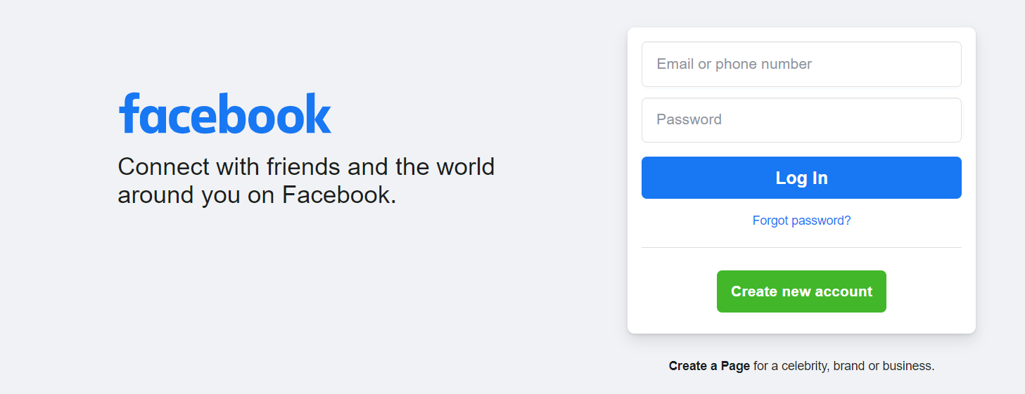
Step # | Step Details |  | Expected Results | Actual Results |  |  | Pass/Fail/Not Exectuted/Suspended

1 | Navigate to https://facebook.com |  | Site should open | As Expected |  |  | Pass

2 | Enter userid & Password |  | Credential can be entered | As Expected |  |  | Pass
3 | Click Submit |  | User is logged in | As Expected |  |  | Pass
4 | Click Logout |  | User is redirected to login page | As Expected |  |  | Pass
5 | User refreshes page |  | Login page reapears | User is still logged in. Home page is displayed |  |  | Fail

Bug Test 2
Defect ID |  | Bug_002 | Defect Description | Chose a brand and give product from another company
Created by |  | Aleksandar | Assigned to | Andreea |  | Version |  | 1..1
 |  |  |  |  |  | Fixed in Version
QA Tester's Log |  |  |  |  |  | Status |  | Open
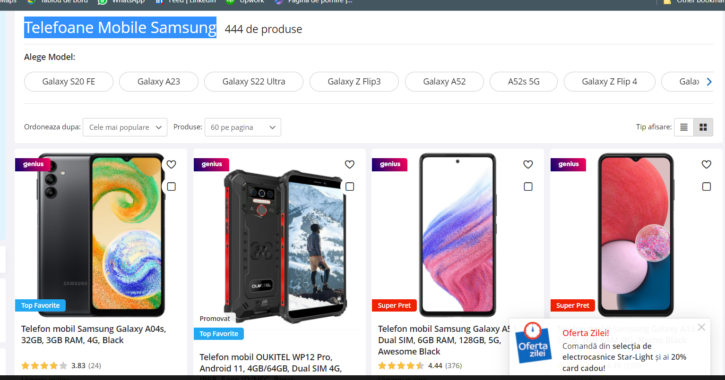
 |  |  |  |  |  | Affects components
Tester's Name |  | Aleksandar | Severity | Medium |  | Related test case

S# | Prerequisites |  |  |  | S# | Test Data
1 | Acces to Chrome Browser |  |  |  | 1
2 |  |  |  |  | 2
3 |  |  |  |  | 3
4 |  |  |  |  | 4

Test Scenario | Chose "Samsung" and give product from another brand

Step # | Step Details |  | Expected Results | Actual Results |  |  | Pass/Fail/Not Exectuted/Suspended

1 | Navigate to https://emag.com |  | Site should open | As Expected |  |  | Pass

2 | Select "Telefoane mobile" |  | The option exist | As Expected |  |  | Pass
3 | Click on "Brands" |  | Brands are displayed | As Expected |  |  | Pass
4 | Click on Samsung |  | Page contains Samsung products | As Expected |  |  | Pass
5 | Scroll and not finding ONLY samsung products |  | Other brand shouldn't apper | Other brand is displayed |  |  | Fail

Bug Test 3
Defect ID |  | Bug_003 | Defect Description | Another color is shown
Created by |  | Aleksandar | Assigned to | Andreea |  | Version |  | 1..2
 |  |  |  |  |  | Fixed in Version
QA Tester's Log |  |  |  |  |  | Status |  | Open
 |  |  |  |  |  | Affects components
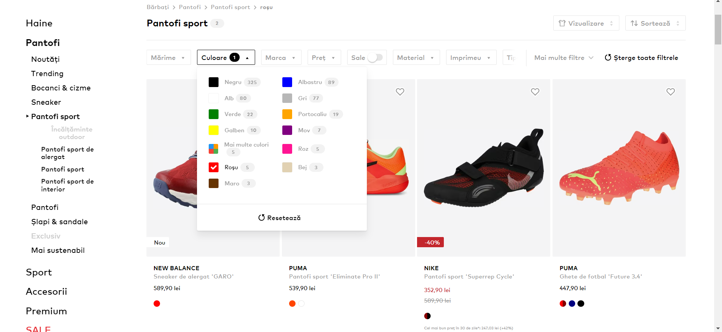
Tester's Name |  | Aleksandar | Severity | Medium |  | Related test case

S# | Prerequisites |  |  |  | S# | Test Data
1 | Acces to Chrome Browser |  |  |  | 1
2 |  |  |  |  | 2
3 |  |  |  |  | 3
4 |  |  |  |  | 4

Test Scenario | You chose some color and it gives you a product with another color on it

Step # | Step Details |  | Expected Results | Actual Results |  |  | Pass/Fail/Not Exectuted/Suspended

1 | Navigate to https://aboutyou.ro |  | Site should open | As Expected |  |  | Pass

2 | Select "MENS" |  | "MENS" category should appear | As Expected |  |  | Pass
3 | Click on "INCALTAMINTE" |  | "INCALTAMINTE" should be displayed | As Expected |  |  | Pass
4 | Click on colour |  | Colours should be displayed | As Expected |  |  | Pass
5 | Select red colour |  | Only red colored items should appear | Is shown an item with black color |  |  | Fail

Bug Test 4
Defect ID |  | Bug_004 | Defect Description | User's data is not saved
Created by |  | Aleksandar | Assigned to | Andreea |  | Version |  | 1..3
 |  |  |  |  |  | Fixed in Version
QA Tester's Log |  |  |  |  |  | Status |  | Open
 |  |  |  |  |  | Affects components
Tester's Name |  | Aleksandar | Severity | Medium |  | Related test case

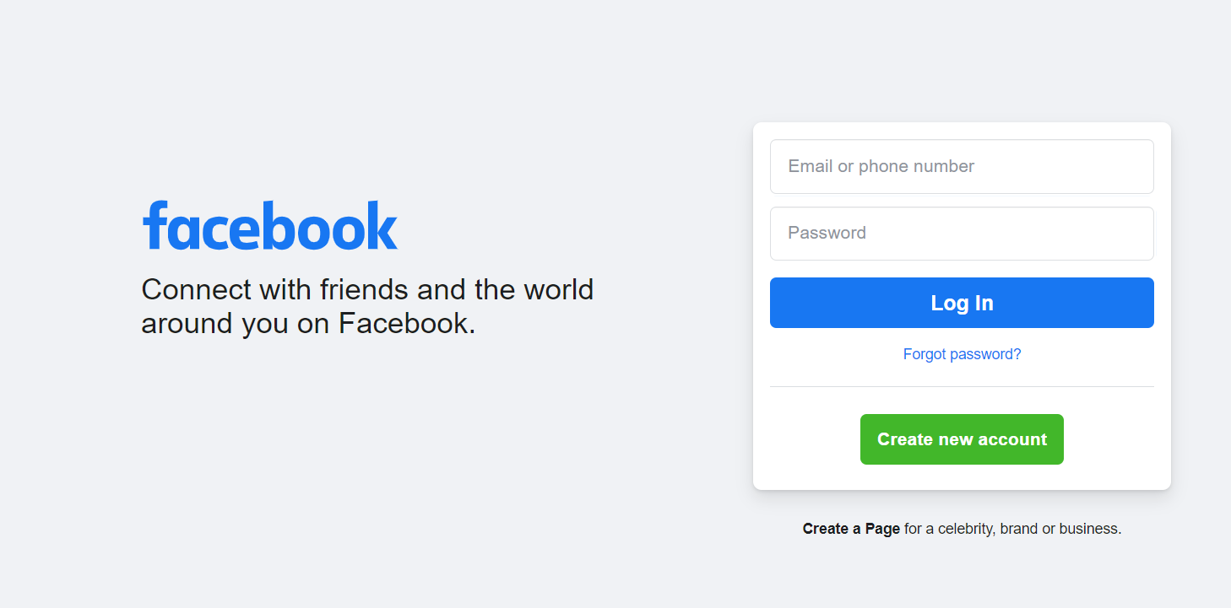
S# | Prerequisites |  |  |  | S# | Test Data
1 | Acces to Chrome Browser |  |  |  | 1 | User id = md12345
2 |  |  |  |  | 2 | Pass = df12@434c
3 |  |  |  |  | 3
4 |  |  |  |  | 4

Test Scenario | User's data is not saved even tho he clicked on "save" button

Step # | Step Details |  | Expected Results | Actual Results |  |  | Pass/Fail/Not Exectuted/Suspended

1 | Navigate to https://facebook.com |  | Site should open | As Expected |  |  | Pass

2 | Enter userid & Password |  | Credential can be entered | As Expected |  |  | Pass
3 | Click Submit |  | User is logged in | As Expected |  |  | Pass
4 | Click Save button |  | User's should be saved | As Expected |  |  | Pass
5 | User come again |  | Credential are saved | Credential aren't saved |  |  | Fail

